C1.1
Back to contents
 | Chart 1.1: General government net borrowing and net debt in advanced economies

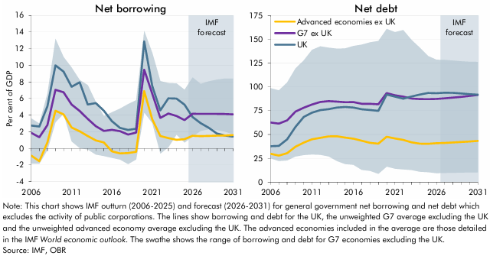

 | General government net borrowing | UK | G7 ex UK average | Advanced economies ex UK average | G7 ex UK minimum | G7 ex UK maximum | General government net debt | UK | G7 ex UK average | Advanced economies ex UK average | G7 ex UK minimum | G7 ex UK maximum
 | 2006 | 2.7 | 1.9 | -0.9 | -1.8 | 3.6 | 2006 | 37.7 | 62.5 | 29.7 | 25.0 | 98.6
 | 2007 | 2.6 | 1.4 | -1.5 | -1.8 | 3.0 | 2007 | 38.0 | 61.4 | 27.8 | 22.1 | 96.3
 | 2008 | 5.1 | 2.8 | 0.7 | -0.2 | 6.6 | 2008 | 44.9 | 64.9 | 30.4 | 22.8 | 104.5
 | 2009 | 10.0 | 7.0 | 4.5 | 3.2 | 13.2 | 2009 | 57.9 | 74.1 | 37.1 | 26.9 | 119.2
 | 2010 | 9.3 | 6.8 | 4.1 | 4.2 | 11.0 | 2010 | 68.5 | 78.1 | 41.4 | 28.4 | 127.7
 | 2011 | 7.4 | 5.3 | 2.5 | 0.8 | 9.7 | 2011 | 72.9 | 81.5 | 44.9 | 29.0 | 138.9
 | 2012 | 8.0 | 4.5 | 2.1 | 0.1 | 8.2 | 2012 | 75.6 | 84.2 | 46.5 | 28.6 | 142.6
 | 2013 | 5.3 | 3.6 | 1.5 | -0.1 | 7.6 | 2013 | 76.6 | 85.1 | 47.9 | 27.0 | 141.1
 | 2014 | 5.5 | 2.7 | 1.0 | -0.7 | 5.6 | 2014 | 78.3 | 84.5 | 48.1 | 22.1 | 140.1
 | 2015 | 4.5 | 2.1 | 0.7 | -0.9 | 3.9 | 2015 | 78.8 | 83.9 | 46.7 | 18.9 | 140.4
 | 2016 | 3.3 | 2.2 | -0.3 | -1.1 | 4.4 | 2016 | 78.3 | 84.0 | 45.6 | 18.2 | 142.9
 | 2017 | 2.5 | 2.1 | -0.6 | -1.3 | 4.8 | 2017 | 76.5 | 82.2 | 43.4 | 12.8 | 144.3
 | 2018 | 2.2 | 1.7 | -0.5 | -1.9 | 5.3 | 2018 | 75.7 | 82.2 | 41.2 | 11.8 | 146.7
 | 2019 | 2.4 | 1.9 | -0.4 | -1.3 | 5.8 | 2019 | 74.8 | 81.7 | 40.3 | 8.7 | 148.2
 | 2020 | 12.9 | 9.5 | 6.9 | 4.3 | 14.1 | 2020 | 91.9 | 93.5 | 47.6 | 16.2 | 160.8
 | 2021 | 7.5 | 6.6 | 3.5 | 3.1 | 11.5 | 2021 | 89.8 | 91.2 | 45.8 | 14.1 | 157.5
 | 2022 | 4.6 | 3.7 | 1.5 | -0.6 | 8.1 | 2022 | 87.6 | 89.8 | 44.3 | 13.3 | 159.7
 | 2023 | 6.0 | 4.2 | 1.2 | 0.2 | 7.9 | 2023 | 89.9 | 87.7 | 41.8 | 12.7 | 149.3
 | 2024 | 6.0 | 3.9 | 1.0 | 1.7 | 7.8 | 2024 | 92.0 | 87.1 | 40.3 | 10.8 | 141.1
 | 2025 | 5.3 | 3.4 | 1.1 | 0.7 | 7.1 | 2025 | 93.6 | 87.1 | 40.2 | 10.4 | 132.4
 | 2026 | 3.8 | 4.2 | 1.5 | 1.4 | 8.5 | 2026 | 93.4 | 87.3 | 40.8 | 9.3 | 128.5
 | 2027 | 3.0 | 4.2 | 1.5 | 2.1 | 7.8 | 2027 | 93.8 | 87.9 | 41.1 | 9.6 | 128.2
 | 2028 | 2.5 | 4.2 | 1.5 | 2.3 | 8.1 | 2028 | 93.7 | 88.7 | 41.5 | 9.7 | 127.6
 | 2029 | 1.8 | 4.2 | 1.5 | 2.2 | 8.3 | 2029 | 93.0 | 89.5 | 42.1 | 10.0 | 126.8
 | 2030 | 1.5 | 4.1 | 1.6 | 2.0 | 8.4 | 2030 | 92.4 | 90.5 | 42.7 | 10.2 | 126.4
 | 2031 | 1.4 | 4.1 | 1.6 | 1.7 | 8.4 | 2031 | 91.7 | 91.5 | 43.2 | 10.2 | 126.2

C1.2
Back to contents
 | Chart 1.2: Energy prices
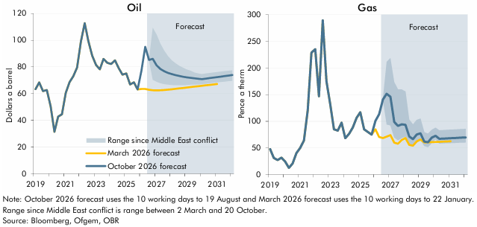

 | Oil | March 2026 forecast | October 2026 forecast | Lowest daily value since start of Middle east conflict | Highest daily value since start of Middle east conflict | Gas | March 2026 forecast | October 2026 forecast | Lowest daily value since start of Middle east conflict | Highest daily value since start of Middle east conflict
 | 2019Q1 | 63.3 | 63.3 |  |  | 2019Q1 | 48.0 | 48.0
 | 2019Q2 | 68.3 | 68.3 |  |  | 2019Q2 | 31.5 | 31.5
 | 2019Q3 | 61.9 | 61.9 |  |  | 2019Q3 | 27.4 | 27.4
 | 2019Q4 | 62.7 | 62.7 |  |  | 2019Q4 | 31.9 | 31.9
 | 2020Q1 | 50.5 | 50.5 |  |  | 2020Q1 | 24.8 | 24.8
 | 2020Q2 | 31.4 | 31.4 |  |  | 2020Q2 | 12.8 | 12.8
 | 2020Q3 | 42.7 | 42.7 |  |  | 2020Q3 | 21.1 | 21.1
 | 2020Q4 | 44.5 | 44.5 |  |  | 2020Q4 | 40.5 | 40.5
 | 2021Q1 | 60.6 | 60.6 |  |  | 2021Q1 | 50.0 | 50.0
 | 2021Q2 | 68.6 | 68.6 |  |  | 2021Q2 | 64.0 | 64.0
 | 2021Q3 | 73.0 | 73.0 |  |  | 2021Q3 | 121.0 | 121.0
 | 2021Q4 | 79.6 | 79.6 |  |  | 2021Q4 | 228.6 | 228.6
 | 2022Q1 | 99.0 | 99.0 |  |  | 2022Q1 | 235.0 | 235.0
 | 2022Q2 | 112.7 | 112.7 |  |  | 2022Q2 | 147.0 | 147.0
 | 2022Q3 | 99.2 | 99.2 |  |  | 2022Q3 | 289.1 | 289.1
 | 2022Q4 | 88.4 | 88.4 |  |  | 2022Q4 | 174.9 | 174.9
 | 2023Q1 | 81.4 | 81.4 |  |  | 2023Q1 | 131.7 | 131.7
 | 2023Q2 | 78.2 | 78.2 |  |  | 2023Q2 | 85.2 | 85.2
 | 2023Q3 | 86.0 | 86.0 |  |  | 2023Q3 | 82.6 | 82.6
 | 2023Q4 | 83.1 | 83.1 |  |  | 2023Q4 | 97.5 | 97.5
 | 2024Q1 | 82.2 | 82.2 |  |  | 2024Q1 | 68.5 | 68.5
 | 2024Q2 | 84.9 | 84.9 |  |  | 2024Q2 | 76.6 | 76.6
 | 2024Q3 | 79.0 | 79.0 |  |  | 2024Q3 | 88.4 | 88.4
 | 2024Q4 | 74.2 | 74.2 |  |  | 2024Q4 | 106.6 | 106.6
 | 2025Q1 | 75.1 | 75.1 |  |  | 2025Q1 | 116.9 | 116.9
 | 2025Q2 | 66.8 | 66.8 |  |  | 2025Q2 | 85.0 | 85.0
 | 2025Q3 | 68.5 | 68.5 |  |  | 2025Q3 | 79.9 | 79.9
 | 2025Q4 | 63.1 | 63.1 |  |  | 2025Q4 | 75.2 | 75.0
 | 2026Q1 | 63.5 | 77.0 |  |  | 2026Q1 | 85.0 | 100.7
 | 2026Q2 | 63.5 | 95.0 |  |  | 2026Q2 | 70.6 | 113.3
 | 2026Q3 | 62.9 | 85.2 |  |  | 2026Q3 | 68.7 | 140.9
 | 2026Q4 | 62.5 | 86.1 | 70.4 | 109.3 | 2026Q4 | 71.4 | 151.5 | 94.1 | 211.3
 | 2027Q1 | 62.4 | 81.3 | 69.0 | 104.1 | 2027Q1 | 74.3 | 145.9 | 92.5 | 218.5
 | 2027Q2 | 62.5 | 78.5 | 67.9 | 97.5 | 2027Q2 | 60.1 | 98.9 | 70.0 | 173.6
 | 2027Q3 | 62.7 | 76.8 | 67.2 | 92.2 | 2027Q3 | 57.9 | 91.6 | 64.5 | 159.8
 | 2027Q4 | 63.0 | 75.6 | 66.8 | 88.1 | 2027Q4 | 65.1 | 94.4 | 68.8 | 159.7
 | 2028Q1 | 63.2 | 74.6 | 66.5 | 84.9 | 2028Q1 | 68.7 | 93.6 | 71.5 | 155.9
 | 2028Q2 | 63.6 | 73.9 | 66.4 | 82.7 | 2028Q2 | 55.9 | 71.6 | 54.9 | 103.3
 | 2028Q3 | 63.9 | 73.2 | 66.3 | 80.8 | 2028Q3 | 54.5 | 66.8 | 52.4 | 94.2
 | 2028Q4 | 64.2 | 72.7 | 66.4 | 79.4 | 2028Q4 | 62.4 | 75.2 | 60.4 | 102.6
 | 2029Q1 | 64.6 | 72.2 | 66.5 | 78.0 | 2029Q1 | 66.1 | 77.5 | 64.5 | 105.0
 | 2029Q2 | 64.9 | 71.9 | 66.7 | 77.1 | 2029Q2 | 60.5 | 62.1 | 53.7 | 79.5
 | 2029Q3 | 65.2 | 71.5 | 66.8 | 75.8 | 2029Q3 | 60.8 | 61.0 | 51.6 | 76.9
 | 2029Q4 | 65.6 | 71.1 | 66.9 | 75.1 | 2029Q4 | 61.1 | 69.7 | 59.5 | 84.3
 | 2030Q1 | 65.9 | 70.9 | 67.1 | 74.6 | 2030Q1 | 61.4 | 73.0 | 66.1 | 88.0
 | 2030Q2 | 66.2 | 71.2 | 67.5 | 75.0 | 2030Q2 | 61.7 | 67.3 | 58.4 | 83.2
 | 2030Q3 | 66.5 | 71.6 | 67.8 | 75.4 | 2030Q3 | 62.0 | 67.7 | 58.7 | 83.6
 | 2030Q4 | 66.9 | 72.0 | 68.1 | 75.8 | 2030Q4 | 62.3 | 68.0 | 59.0 | 84.1
 | 2031Q1 | 67.2 | 72.4 | 68.5 | 76.2 | 2031Q1 | 62.6 | 68.4 | 59.3 | 84.5
 | 2031Q2 |  | 72.8 | 68.8 | 76.5 | 2031Q2 |  | 68.8 | 59.6 | 84.8
 | 2031Q3 |  | 73.1 | 69.1 | 76.8 | 2031Q3 |  | 69.1 | 59.8 | 85.2
 | 2031Q4 |  | 73.5 | 69.3 | 77.1 | 2031Q4 |  | 69.5 | 60.1 | 85.5
 | 2032Q1 |  | 73.9 | 69.6 | 77.4 | 2032Q1 |  | 69.9 | 60.3 | 85.9

C1.3
Back to contents
 | Chart 1.3: Bank Rate and gilt yields

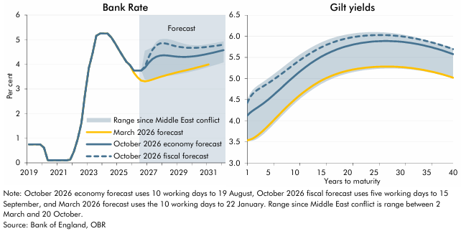

 | Bank Rate | October 2026 economy forecast | October 2026 fiscal forecast | March 2026 forecast | Lowest daily value since start of Middle east conflict | Highest daily value since start of Middle east conflict | Yield curve | October 2026 economy forecast | October 2026 fiscal forecast | March 2026 forecast | Lowest daily value since start of Middle east conflict | Highest daily value since start of Middle east conflict
 | 2019Q1 | 0.8 | 0.8 | 0.8 |  |  | 1.0 | 4.1 | 4.4 | 3.5 | 3.5 | 4.5
 | 2019Q2 | 0.8 | 0.8 | 0.8 |  |  | 1.5 | 4.2 | 4.6 | 3.6 | 3.5 | 4.6
 | 2019Q3 | 0.8 | 0.8 | 0.8 |  |  | 2.0 | 4.2 | 4.6 | 3.6 | 3.5 | 4.7
 | 2019Q4 | 0.8 | 0.8 | 0.8 |  |  | 2.5 | 4.3 | 4.7 | 3.6 | 3.5 | 4.8
 | 2020Q1 | 0.6 | 0.6 | 0.6 |  |  | 3.0 | 4.3 | 4.7 | 3.7 | 3.6 | 4.8
 | 2020Q2 | 0.1 | 0.1 | 0.1 |  |  | 3.5 | 4.4 | 4.8 | 3.7 | 3.6 | 4.9
 | 2020Q3 | 0.1 | 0.1 | 0.1 |  |  | 4.0 | 4.4 | 4.8 | 3.8 | 3.7 | 4.9
 | 2020Q4 | 0.1 | 0.1 | 0.1 |  |  | 4.5 | 4.5 | 4.9 | 3.8 | 3.7 | 5.0
 | 2021Q1 | 0.1 | 0.1 | 0.1 |  |  | 5.0 | 4.5 | 4.9 | 3.9 | 3.8 | 5.0
 | 2021Q2 | 0.1 | 0.1 | 0.1 |  |  | 5.5 | 4.6 | 4.9 | 3.9 | 3.9 | 5.1
 | 2021Q3 | 0.1 | 0.1 | 0.1 |  |  | 6.0 | 4.6 | 5.0 | 4.0 | 3.9 | 5.1
 | 2021Q4 | 0.1 | 0.1 | 0.1 |  |  | 6.5 | 4.7 | 5.0 | 4.1 | 4.0 | 5.1
 | 2022Q1 | 0.5 | 0.5 | 0.5 |  |  | 7.0 | 4.7 | 5.1 | 4.1 | 4.0 | 5.2
 | 2022Q2 | 1.0 | 1.0 | 1.0 |  |  | 7.5 | 4.8 | 5.1 | 4.2 | 4.1 | 5.2
 | 2022Q3 | 1.6 | 1.6 | 1.6 |  |  | 8.0 | 4.8 | 5.2 | 4.3 | 4.2 | 5.3
 | 2022Q4 | 2.8 | 2.8 | 2.8 |  |  | 8.5 | 4.9 | 5.2 | 4.3 | 4.2 | 5.3
 | 2023Q1 | 3.9 | 3.9 | 3.9 |  |  | 9.0 | 5.0 | 5.3 | 4.4 | 4.3 | 5.4
 | 2023Q2 | 4.5 | 4.5 | 4.5 |  |  | 9.5 | 5.0 | 5.3 | 4.4 | 4.4 | 5.4
 | 2023Q3 | 5.2 | 5.2 | 5.2 |  |  | 10.0 | 5.1 | 5.3 | 4.5 | 4.4 | 5.5
 | 2023Q4 | 5.3 | 5.3 | 5.3 |  |  | 10.5 | 5.1 | 5.4 | 4.6 | 4.5 | 5.5
 | 2024Q1 | 5.3 | 5.3 | 5.3 |  |  | 11.0 | 5.2 | 5.4 | 4.6 | 4.5 | 5.6
 | 2024Q2 | 5.3 | 5.3 | 5.3 |  |  | 11.5 | 5.2 | 5.5 | 4.7 | 4.6 | 5.6
 | 2024Q3 | 5.1 | 5.1 | 5.1 |  |  | 12.0 | 5.3 | 5.5 | 4.7 | 4.6 | 5.6
 | 2024Q4 | 4.9 | 4.9 | 4.9 |  |  | 12.5 | 5.3 | 5.6 | 4.8 | 4.7 | 5.7
 | 2025Q1 | 4.6 | 4.6 | 4.6 |  |  | 13.0 | 5.4 | 5.6 | 4.8 | 4.7 | 5.7
 | 2025Q2 | 4.3 | 4.3 | 4.3 |  |  | 13.5 | 5.4 | 5.6 | 4.8 | 4.8 | 5.8
 | 2025Q3 | 4.1 | 4.1 | 4.1 |  |  | 14.0 | 5.4 | 5.7 | 4.9 | 4.8 | 5.8
 | 2025Q4 | 4.0 | 4.0 | 4.0 |  |  | 14.5 | 5.5 | 5.7 | 4.9 | 4.8 | 5.8
 | 2026Q1 | 3.8 | 3.8 | 3.7 |  |  | 15.0 | 5.5 | 5.7 | 4.9 | 4.9 | 5.9
 | 2026Q2 | 3.8 | 3.8 | 3.5 |  |  | 15.5 | 5.5 | 5.8 | 5.0 | 4.9 | 5.9
 | 2026Q3 | 3.7 | 3.8 | 3.3 |  |  | 16.0 | 5.6 | 5.8 | 5.0 | 4.9 | 5.9
 | 2026Q4 | 3.9 | 3.9 | 3.3 | 3.4 | 4.5 | 16.5 | 5.6 | 5.8 | 5.0 | 5.0 | 5.9
 | 2027Q1 | 4.1 | 4.3 | 3.3 | 3.4 | 4.6 | 17.0 | 5.6 | 5.8 | 5.1 | 5.0 | 5.9
 | 2027Q2 | 4.2 | 4.6 | 3.4 | 3.4 | 4.7 | 17.5 | 5.7 | 5.9 | 5.1 | 5.0 | 6.0
 | 2027Q3 | 4.3 | 4.8 | 3.4 | 3.4 | 4.9 | 18.0 | 5.7 | 5.9 | 5.1 | 5.0 | 6.0
 | 2027Q4 | 4.4 | 4.8 | 3.5 | 3.5 | 5.0 | 18.5 | 5.7 | 5.9 | 5.1 | 5.1 | 6.0
 | 2028Q1 | 4.4 | 4.9 | 3.5 | 3.5 | 5.0 | 19.0 | 5.7 | 5.9 | 5.2 | 5.1 | 6.0
 | 2028Q2 | 4.4 | 4.8 | 3.6 | 3.5 | 5.0 | 19.5 | 5.8 | 5.9 | 5.2 | 5.1 | 6.0
 | 2028Q3 | 4.3 | 4.8 | 3.6 | 3.6 | 5.0 | 20.0 | 5.8 | 6.0 | 5.2 | 5.1 | 6.0
 | 2028Q4 | 4.3 | 4.7 | 3.6 | 3.6 | 4.9 | 20.5 | 5.8 | 6.0 | 5.2 | 5.1 | 6.1
 | 2029Q1 | 4.3 | 4.7 | 3.7 | 3.6 | 4.9 | 21.0 | 5.8 | 6.0 | 5.2 | 5.2 | 6.1
 | 2029Q2 | 4.3 | 4.7 | 3.7 | 3.6 | 4.8 | 21.5 | 5.8 | 6.0 | 5.2 | 5.2 | 6.1
 | 2029Q3 | 4.3 | 4.7 | 3.8 | 3.7 | 4.8 | 22.0 | 5.8 | 6.0 | 5.2 | 5.2 | 6.1
 | 2029Q4 | 4.3 | 4.7 | 3.8 | 3.7 | 4.8 | 22.5 | 5.8 | 6.0 | 5.2 | 5.2 | 6.1
 | 2030Q1 | 4.3 | 4.7 | 3.8 | 3.7 | 4.8 | 23.0 | 5.8 | 6.0 | 5.3 | 5.2 | 6.1
 | 2030Q2 | 4.3 | 4.7 | 3.9 | 3.8 | 4.8 | 23.5 | 5.9 | 6.0 | 5.3 | 5.2 | 6.1
 | 2030Q3 | 4.4 | 4.7 | 3.9 | 3.8 | 4.8 | 24.0 | 5.9 | 6.0 | 5.3 | 5.2 | 6.1
 | 2030Q4 | 4.4 | 4.7 | 4.0 | 3.9 | 4.8 | 24.5 | 5.9 | 6.0 | 5.3 | 5.2 | 6.1
 | 2031Q1 | 4.4 | 4.7 | 4.0 | 3.9 | 4.8 | 25.0 | 5.9 | 6.0 | 5.3 | 5.2 | 6.1
 | 2031Q2 | 4.5 | 4.7 |  | 3.9 | 4.8 | 25.5 | 5.9 | 6.0 | 5.3 | 5.2 | 6.1
 | 2031Q3 | 4.5 | 4.8 |  | 4.0 | 4.9 | 26.0 | 5.9 | 6.0 | 5.3 | 5.2 | 6.1
 | 2031Q4 | 4.5 | 4.8 |  | 4.0 | 4.9 | 26.5 | 5.9 | 6.0 | 5.3 | 5.2 | 6.1
 | 2032Q1 | 4.6 | 4.8 |  | 4.1 | 4.9 | 27.0 | 5.9 | 6.0 | 5.3 | 5.2 | 6.1
 |  |  |  |  |  |  | 27.5 | 5.9 | 6.0 | 5.3 | 5.2 | 6.1
 |  |  |  |  |  |  | 28.0 | 5.9 | 6.0 | 5.3 | 5.2 | 6.1
 |  |  |  |  |  |  | 28.5 | 5.9 | 6.0 | 5.3 | 5.2 | 6.1
 |  |  |  |  |  |  | 29.0 | 5.9 | 6.0 | 5.3 | 5.2 | 6.1
 |  |  |  |  |  |  | 29.5 | 5.9 | 6.0 | 5.3 | 5.2 | 6.1
 |  |  |  |  |  |  | 30.0 | 5.9 | 6.0 | 5.3 | 5.2 | 6.0
 |  |  |  |  |  |  | 30.5 | 5.9 | 6.0 | 5.3 | 5.2 | 6.0
 |  |  |  |  |  |  | 31.0 | 5.9 | 6.0 | 5.3 | 5.2 | 6.0
 |  |  |  |  |  |  | 31.5 | 5.9 | 6.0 | 5.3 | 5.2 | 6.0
 |  |  |  |  |  |  | 32.0 | 5.8 | 6.0 | 5.2 | 5.2 | 6.0
 |  |  |  |  |  |  | 32.5 | 5.8 | 6.0 | 5.2 | 5.2 | 6.0
 |  |  |  |  |  |  | 33.0 | 5.8 | 5.9 | 5.2 | 5.2 | 6.0
 |  |  |  |  |  |  | 33.5 | 5.8 | 5.9 | 5.2 | 5.2 | 6.0
 |  |  |  |  |  |  | 34.0 | 5.8 | 5.9 | 5.2 | 5.2 | 5.9
 |  |  |  |  |  |  | 34.5 | 5.8 | 5.9 | 5.2 | 5.2 | 5.9
 |  |  |  |  |  |  | 35.0 | 5.8 | 5.9 | 5.2 | 5.2 | 5.9
 |  |  |  |  |  |  | 35.5 | 5.8 | 5.9 | 5.2 | 5.1 | 5.9
 |  |  |  |  |  |  | 36.0 | 5.7 | 5.9 | 5.2 | 5.1 | 5.9
 |  |  |  |  |  |  | 36.5 | 5.7 | 5.8 | 5.1 | 5.1 | 5.9
 |  |  |  |  |  |  | 37.0 | 5.7 | 5.8 | 5.1 | 5.1 | 5.8
 |  |  |  |  |  |  | 37.5 | 5.7 | 5.8 | 5.1 | 5.1 | 5.8
 |  |  |  |  |  |  | 38.0 | 5.7 | 5.8 | 5.1 | 5.1 | 5.8
 |  |  |  |  |  |  | 38.5 | 5.6 | 5.8 | 5.1 | 5.1 | 5.8
 |  |  |  |  |  |  | 39.0 | 5.6 | 5.7 | 5.1 | 5.0 | 5.8
 |  |  |  |  |  |  | 39.5 | 5.6 | 5.7 | 5.0 | 5.0 | 5.7
 |  |  |  |  |  |  | 40.0 | 5.6 | 5.7 | 5.0 | 5.0 | 5.7

C1.4
Back to contents
 | Chart 1.4: CPI inflation

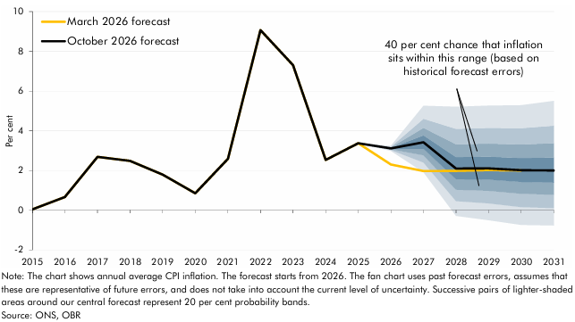

 |  | October 2026 forecast | March 2026 forecast | Percentile
 |  |  |  | 10 | 20 | 30 | 40 | 50 | 60 | 70 | 80 | 90
 | 2015 | 0.0 | 0.0
 | 2016 | 0.7 | 0.7
 | 2017 | 2.7 | 2.7
 | 2018 | 2.5 | 2.5
 | 2019 | 1.8 | 1.8
 | 2020 | 0.9 | 0.9
 | 2021 | 2.6 | 2.6
 | 2022 | 9.1 | 9.1
 | 2023 | 7.3 | 7.3
 | 2024 | 2.5 | 2.5
 | 2025 | 3.4 | 3.4
 | 2026 | 3.1 | 2.3 | 3.0 | 3.0 | 3.1 | 3.1 | 3.1 | 3.1 | 3.2 | 3.2 | 3.2
 | 2027 | 3.4 | 2.0 | 1.9 | 2.4 | 2.8 | 3.1 | 3.4 | 3.8 | 4.1 | 4.6 | 5.3
 | 2028 | 2.1 | 2.0 | -0.3 | 0.5 | 1.0 | 1.6 | 2.1 | 2.7 | 3.3 | 4.1 | 5.2
 | 2029 | 2.1 | 2.0 | -0.5 | 0.3 | 1.0 | 1.5 | 2.1 | 2.7 | 3.4 | 4.1 | 5.3
 | 2030 | 2.0 | 2.0 | -0.7 | 0.2 | 0.8 | 1.4 | 2.0 | 2.6 | 3.3 | 4.1 | 5.3
 | 2031 | 2.0 |  | -0.8 | 0.1 | 0.8 | 1.4 | 2.0 | 2.7 | 3.4 | 4.3 | 5.5

C1.5
Back to contents
 | Chart 1.5: Real household disposable income per person
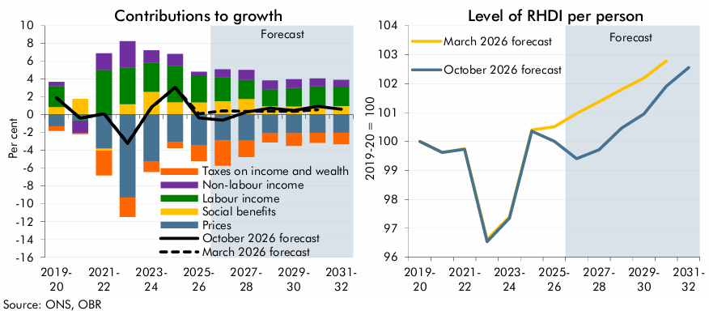

 | RHDI growth decomp | March 2026 forecast | October 2026 forecast | Labour income | Non-labour income | Social benefits | Taxes on income and wealth | Prices | RHDI level | March 2026 forecast | October 2026 forecast
 | 2015-16 | 5.2 | 5.2 | 2.4 | 2.8 | 0.6 | -0.6 | 0.0 | 2015-16 | 96.9 | 96.9
 | 2016-17 | -1.2 | -1.2 | 1.8 | -0.6 | 0.1 | -1.0 | -1.5 | 2016-17 | 95.7 | 95.7
 | 2017-18 | 1.8 | 1.8 | 3.2 | 0.7 | 0.3 | -0.6 | -1.8 | 2017-18 | 97.4 | 97.4
 | 2018-19 | 0.7 | 0.7 | 2.2 | 1.0 | 0.6 | -1.2 | -1.8 | 2018-19 | 98.1 | 98.1
 | 2019-20 | 1.9 | 1.9 | 2.3 | 0.5 | 0.9 | -0.5 | -1.3 | 2019-20 | 100.0 | 100.0
 | 2020-21 | -0.4 | -0.4 | -0.1 | -1.4 | 1.8 | -0.1 | -0.6 | 2020-21 | 99.6 | 99.6
 | 2021-22 | 0.1 | 0.1 | 5.0 | 1.9 | -0.2 | -2.8 | -3.8 | 2021-22 | 99.8 | 99.7
 | 2022-23 | -3.2 | -3.2 | 4.1 | 2.9 | 1.2 | -2.2 | -9.3 | 2022-23 | 96.6 | 96.5
 | 2023-24 | 0.8 | 0.8 | 3.2 | 1.4 | 2.6 | -1.2 | -5.2 | 2023-24 | 97.4 | 97.3
 | 2024-25 | 3.1 | 3.1 | 4.1 | 1.3 | 1.4 | -0.6 | -3.1 | 2024-25 | 100.4 | 100.4
 | 2025-26 | 0.1 | -0.3 | 3.0 | 0.4 | 1.4 | -1.8 | -3.4 | 2025-26 | 100.5 | 100.0
 | 2026-27 | 0.5 | -0.6 | 2.7 | 0.9 | 1.5 | -2.8 | -2.9 | 2026-27 | 101.0 | 99.4
 | 2027-28 | 0.4 | 0.3 | 2.1 | 1.1 | 1.8 | -1.8 | -2.9 | 2027-28 | 101.4 | 99.7
 | 2028-29 | 0.4 | 0.8 | 1.9 | 1.0 | 1.0 | -1.0 | -2.1 | 2028-29 | 101.8 | 100.5
 | 2029-30 | 0.4 | 0.5 | 2.1 | 1.0 | 0.9 | -1.4 | -2.1 | 2029-30 | 102.2 | 101.0
 | 2030-31 | 0.6 | 0.9 | 2.2 | 0.9 | 1.0 | -1.1 | -2.0 | 2030-31 | 102.8 | 101.9
 | 2031-32 |  | 0.6 | 2.2 | 0.8 | 1.0 | -1.3 | -2.0 | 2031-32 |  | 102.6

C1.6
Back to contents
 | Chart 1.6: Real GDP growth

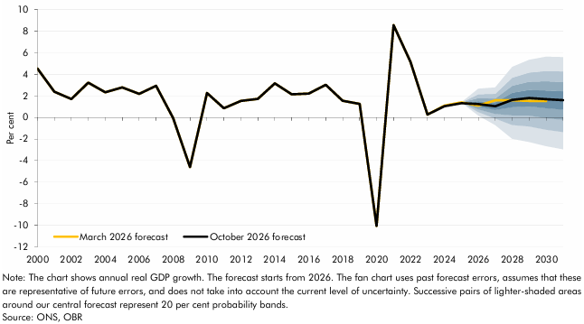

 |  | October 2026 forecast | March 2026 forecast | Percentile
 |  |  |  | 10 | 20 | 30 | 40 | 50 | 60 | 70 | 80 | 90
 | 2000 | 4.5 | 4.5
 | 2001 | 2.4 | 2.4
 | 2002 | 1.7 | 1.7
 | 2003 | 3.2 | 3.2
 | 2004 | 2.3 | 2.3
 | 2005 | 2.8 | 2.8
 | 2006 | 2.2 | 2.2
 | 2007 | 2.9 | 2.9
 | 2008 | 0.0 | 0.0
 | 2009 | -4.6 | -4.6
 | 2010 | 2.3 | 2.3
 | 2011 | 0.9 | 0.9
 | 2012 | 1.5 | 1.5
 | 2013 | 1.7 | 1.7
 | 2014 | 3.2 | 3.2
 | 2015 | 2.1 | 2.1
 | 2016 | 2.2 | 2.2
 | 2017 | 3.0 | 3.0
 | 2018 | 1.6 | 1.6
 | 2019 | 1.3 | 1.3
 | 2020 | -10.0 | -10.0
 | 2021 | 8.5 | 8.5
 | 2022 | 5.1 | 5.1
 | 2023 | 0.3 | 0.3
 | 2024 | 1.0 | 1.1
 | 2025 | 1.3 | 1.4
 | 2026 | 1.2 | 1.1 | 0.2 | 0.5 | 0.8 | 1.0 | 1.2 | 1.5 | 1.8 | 2.1 | 2.7
 | 2027 | 1.0 | 1.6 | -0.7 | -0.1 | 0.3 | 0.7 | 1.0 | 1.4 | 1.8 | 2.2 | 2.8
 | 2028 | 1.6 | 1.6 | -2.0 | -0.7 | 0.2 | 0.9 | 1.6 | 2.3 | 2.9 | 3.7 | 4.7
 | 2029 | 1.8 | 1.5 | -2.3 | -0.8 | 0.2 | 1.0 | 1.8 | 2.5 | 3.3 | 4.2 | 5.3
 | 2030 | 1.7 | 1.5 | -2.7 | -1.1 | -0.1 | 0.9 | 1.7 | 2.5 | 3.3 | 4.3 | 5.6
 | 2031 | 1.6 |  | -2.9 | -1.3 | -0.2 | 0.7 | 1.6 | 2.4 | 3.3 | 4.3 | 5.6

C1.7
Back to contents
 | Chart 1.7: Changes in borrowing and the current budget deficit since March

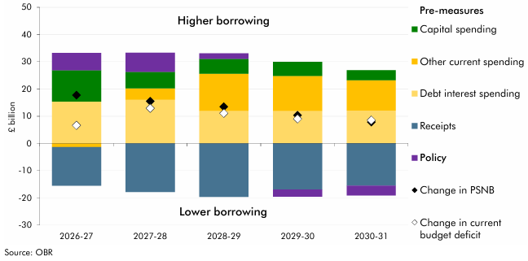

 |  | 2026-27 | 2027-28 | 2028-29 | 2029-30 | 2030-31
 | Capital spending | 11.5 | 6.1 | 5.5 | 5.1 | 3.6
 | Debt interest spending | 15.4 | 16.0 | 12.0 | 12.0 | 12.1
 | Other current spending | -1.3 | 4.2 | 13.6 | 12.9 | 11.2
 | Receipts | -14.2 | -17.8 | -19.6 | -16.9 | -15.5
 | Policy | 6.3 | 7.0 | 2.1 | -2.6 | -3.5
 | Change in PSNB | 17.7 | 15.5 | 13.5 | 10.4 | 7.9
 | Change in current budget deficit | 6.6 | 13.0 | 11.1 | 9.0 | 8.6

C1.8
Back to contents
 | Chart 1.8: Fan chart and successive forecasts for borrowing

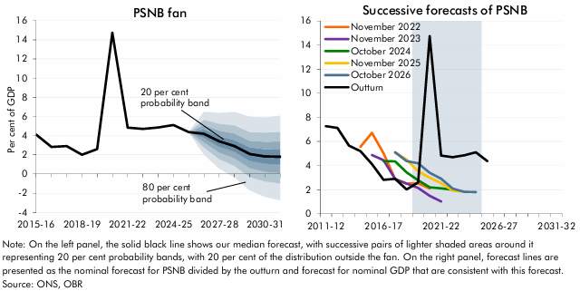

 |  | October 2026 PSNB forecast | Percentile |  |  |  |  |  |  |  |  |  | Outturn | November 2022 forecast | November 2023 forecast | October 2024 forecast | November 2025 forecast | October 2026 forecast
 |  |  | 10 | 20 | 30 | 40 | 50 | 60 | 70 | 80 | 90
 | 2015-16 | 4.1 |  |  |  |  |  |  |  |  |  | 2011-12 | 7.3
 | 2016-17 | 2.8 |  |  |  |  |  |  |  |  |  | 2012-13 | 7.1
 | 2017-18 | 2.9 |  |  |  |  |  |  |  |  |  | 2013-14 | 5.7
 | 2018-19 | 2.0 |  |  |  |  |  |  |  |  |  | 2014-15 | 5.2
 | 2019-20 | 2.6 |  |  |  |  |  |  |  |  |  | 2015-16 | 4.1
 | 2020-21 | 14.7 |  |  |  |  |  |  |  |  |  | 2016-17 | 2.8
 | 2021-22 | 4.8 |  |  |  |  |  |  |  |  |  | 2017-18 | 2.9
 | 2022-23 | 4.7 |  |  |  |  |  |  |  |  |  | 2018-19 | 2.0
 | 2023-24 | 4.8 |  |  |  |  |  |  |  |  |  | 2019-20 | 2.6
 | 2024-25 | 5.1 |  |  |  |  |  |  |  |  |  | 2020-21 | 14.7
 | 2025-26 | 4.4 |  |  |  |  |  |  |  |  |  | 2021-22 | 4.8 | 5.6
 | 2026-27 | 4.2 | 2.0 | 2.8 | 3.3 | 3.8 | 4.2 | 4.6 | 5.1 | 5.7 | 6.5 | 2022-23 | 4.7 | 6.7 | 4.9
 | 2027-28 | 3.4 | 0.6 | 1.6 | 2.2 | 2.8 | 3.4 | 3.9 | 4.5 | 5.3 | 6.4 | 2023-24 | 4.8 | 5.0 | 4.4 | 4.4
 | 2028-29 | 2.9 | -0.4 | 0.8 | 1.7 | 2.3 | 2.9 | 3.5 | 4.2 | 5.1 | 6.5 | 2024-25 | 5.1 | 2.9 | 2.9 | 4.3 | 5.1 | 5.1
 | 2029-30 | 2.1 | -1.7 | -0.3 | 0.6 | 1.4 | 2.1 | 2.8 | 3.5 | 4.4 | 6.0 | 2025-26 | 4.4 | 2.5 | 2.5 | 3.4 | 4.5 | 4.4
 | 2030-31 | 1.8 | -2.4 | -0.8 | 0.2 | 1.1 | 1.8 | 2.6 | 3.4 | 4.3 | 5.9 | 2026-27 |  | 2.5 | 2.2 | 2.8 | 3.5 | 4.2
 | 2031-32 | 1.8 | -2.8 | -1.0 | 0.1 | 1.0 | 1.8 | 2.6 | 3.4 | 4.4 | 6.1 | 2027-28 |  | 2.1 | 1.5 | 2.2 | 3.0 | 3.4
 |  |  |  |  |  |  |  |  |  |  |  | 2028-29 |  |  | 1.0 | 2.1 | 2.5 | 2.9
 |  |  |  |  |  |  |  |  |  |  |  | 2029-30 |  |  |  | 2.0 | 1.9 | 2.1
 |  |  |  |  |  |  |  |  |  |  |  | 2030-31 |  |  |  |  | 1.8 | 1.8
 |  |  |  |  |  |  |  |  |  |  |  | 2031-32 |  |  |  |  |  | 1.8

C1.9
Back to contents
 | Chart 1.9: Receipts and spending as a share of GDP

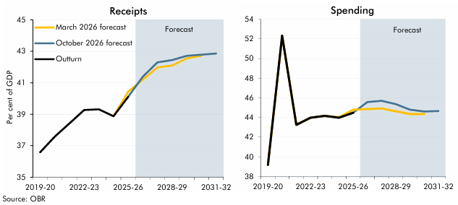

 | Year | Outturn | March 2026 forecast | October 2026 forecast |  | Outturn | March 2026 Forecast | October 2026 forecast
 | 2019-20 | 36.6 |  |  | 2019-20 | 39.2
 | 2020-21 | 37.6 |  |  | 2020-21 | 52.3
 | 2021-22 | 38.4 |  |  | 2021-22 | 43.3
 | 2022-23 | 39.3 |  |  | 2022-23 | 44.0
 | 2023-24 | 39.3 |  |  | 2023-24 | 44.2
 | 2024-25 | 38.9 | 38.9 |  | 2024-25 | 44.0
 | 2025-26 | 40.1 | 40.4 | 40.1 | 2025-26 | 44.5 | 44.8 | 44.5
 | 2026-27 |  | 41.2 | 41.4 | 2026-27 |  | 44.9 | 45.6
 | 2027-28 |  | 42.0 | 42.3 | 2027-28 |  | 44.9 | 45.7
 | 2028-29 |  | 42.1 | 42.4 | 2028-29 |  | 44.6 | 45.4
 | 2029-30 |  | 42.5 | 42.7 | 2029-30 |  | 44.4 | 44.8
 | 2030-31 |  | 42.7 | 42.8 | 2030-31 |  | 44.3 | 44.6
 | 2031-32 |  |  | 42.9 | 2031-32 |  |  | 44.7

C1.10
Back to contents
 | Chart 1.10: Measures of the public sector

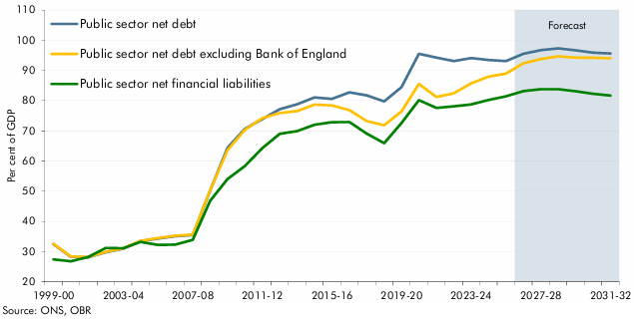

 |  | 1999-00 | 2000-01 | 2001-02 | 2002-03 | 2003-04 | 2004-05 | 2005-06 | 2006-07 | 2007-08 | 2008-09 | 2009-10 | 2010-11 | 2011-12 | 2012-13 | 2013-14 | 2014-15 | 2015-16 | 2016-17 | 2017-18 | 2018-19 | 2019-20 | 2020-21 | 2021-22 | 2022-23 | 2023-24 | 2024-25 | 2025-26 | 2026-27 | 2027-28 | 2028-29 | 2029-30 | 2030-31 | 2031-32
 | Public sector net debt | 32.5 | 28.3 | 28.1 | 29.8 | 30.9 | 33.5 | 34.3 | 35.1 | 35.5 | 50.2 | 64.4 | 70.6 | 73.9 | 77.2 | 78.8 | 81.1 | 80.6 | 82.7 | 81.7 | 79.7 | 84.5 | 95.5 | 94.3 | 93.1 | 94.1 | 93.4 | 93.1 | 95.5 | 96.7 | 97.3 | 96.7 | 95.9 | 95.6
 | Public sector net debt excluding Bank of England | 32.6 | 28.4 | 28.2 | 29.9 | 31.0 | 33.6 | 34.5 | 35.3 | 35.6 | 50.3 | 63.6 | 70.3 | 74.2 | 75.9 | 76.5 | 78.7 | 78.4 | 76.8 | 73.2 | 71.9 | 76.4 | 85.5 | 81.2 | 82.4 | 85.7 | 87.9 | 88.9 | 92.4 | 93.8 | 94.7 | 94.3 | 94.2 | 94.0
 | Public sector net financial liabilities | 27.4 | 26.8 | 28.2 | 31.2 | 31.1 | 33.2 | 32.2 | 32.3 | 33.9 | 46.8 | 54.0 | 58.3 | 64.3 | 69.0 | 69.9 | 72.0 | 72.8 | 72.9 | 69.1 | 65.9 | 72.6 | 80.2 | 77.6 | 78.1 | 78.7 | 80.2 | 81.4 | 83.2 | 83.8 | 83.8 | 83.1 | 82.3 | 81.7

C1.11
Back to contents
 | Chart 1.11: Fan charts for the current budget deficit and PSNFL
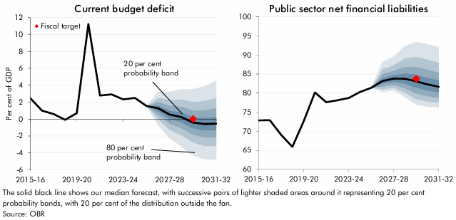

 | Curent budget deficit | October 2026 forecast | 10th Percentile | 20th Percentile | 30th Percentile | 40th Percentile | 50th Percentile | 60th Percentile | 70th Percentile | 80th Percentile | 90th Percentile | Public sector net financial liabilities | October 2026 forecast | 10th Percentile | 20th Percentile | 30th Percentile | 40th Percentile | 50th Percentile | 60th Percentile | 70th Percentile | 80th Percentile | 90th Percentile
 | 2015-16 | 2.5 |  |  |  |  |  |  |  |  |  | 2015-16 | 72.8
 | 2016-17 | 1.0 |  |  |  |  |  |  |  |  |  | 2016-17 | 72.9
 | 2017-18 | 0.6 |  |  |  |  |  |  |  |  |  | 2017-18 | 69.1
 | 2018-19 | -0.1 |  |  |  |  |  |  |  |  |  | 2018-19 | 65.9
 | 2019-20 | 0.7 |  |  |  |  |  |  |  |  |  | 2019-20 | 72.6
 | 2020-21 | 11.2 |  |  |  |  |  |  |  |  |  | 2020-21 | 80.2
 | 2021-22 | 2.8 |  |  |  |  |  |  |  |  |  | 2021-22 | 77.6
 | 2022-23 | 2.9 |  |  |  |  |  |  |  |  |  | 2022-23 | 78.1
 | 2023-24 | 2.3 |  |  |  |  |  |  |  |  |  | 2023-24 | 78.7
 | 2024-25 | 2.5 |  |  |  |  |  |  |  |  |  | 2024-25 | 80.3
 | 2025-26 | 1.5 |  |  |  |  |  |  |  |  |  | 2025-26 | 81.4
 | 2026-27 | 1.3 | -0.8 | 0.0 | 0.5 | 0.9 | 1.3 | 1.6 | 2.0 | 2.5 | 3.3 | 2026-27 | 83.2 | 80.3 | 81.0 | 81.7 | 82.4 | 83.2 | 84.0 | 85.0 | 86.3 | 88.2
 | 2027-28 | 0.5 | -2.3 | -1.3 | -0.6 | 0.0 | 0.5 | 1.0 | 1.6 | 2.3 | 3.2 | 2027-28 | 83.8 | 80.7 | 81.4 | 82.1 | 82.9 | 83.8 | 84.8 | 85.9 | 87.4 | 89.6
 | 2028-29 | 0.2 | -3.3 | -1.9 | -1.1 | -0.4 | 0.2 | 0.8 | 1.5 | 2.4 | 3.5 | 2028-29 | 83.8 | 78.9 | 80.1 | 81.2 | 82.4 | 83.8 | 85.2 | 87.0 | 89.1 | 92.3
 | 2029-30 | -0.4 | -4.3 | -2.8 | -1.9 | -1.1 | -0.4 | 0.3 | 1.1 | 2.0 | 3.5 | 2029-30 | 83.1 | 76.9 | 78.4 | 79.9 | 81.4 | 83.1 | 84.9 | 87.0 | 89.6 | 93.4
 | 2030-31 | -0.6 | -4.7 | -3.2 | -2.2 | -1.4 | -0.6 | 0.2 | 1.1 | 2.1 | 3.9 | 2030-31 | 82.3 | 76.4 | 77.8 | 79.2 | 80.7 | 82.3 | 84.1 | 86.2 | 88.9 | 92.8
 | 2031-32 | -0.5 | -4.8 | -3.2 | -2.2 | -1.3 | -0.5 | 0.3 | 1.3 | 2.5 | 4.5 | 2031-32 | 81.7 | 76.3 | 77.5 | 78.8 | 80.2 | 81.7 | 83.4 | 85.4 | 88.1 | 92.0

C1.12
Back to contents
 | Chart 1.12: Long term debt scenarios: 2026 Fiscal risks and sustainability report

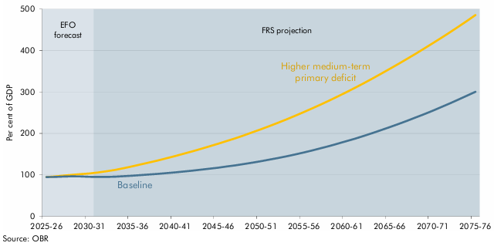

 |  | Baseline | Higher medium-term primary deficit
 | 2025-26 | 94.3 | 94.3
 | 2026-27 | 94.8 | 96.1
 | 2027-28 | 95.7 | 97.9
 | 2028-29 | 96.3 | 99.8
 | 2029-30 | 96.1 | 101.5
 | 2030-31 | 95.1 | 103.1
 | 2031-32 | 94.8 | 105.4
 | 2032-33 | 94.8 | 108.3
 | 2033-34 | 95.4 | 111.7
 | 2034-35 | 96.4 | 115.8
 | 2035-36 | 97.8 | 120.3
 | 2036-37 | 99.1 | 124.9
 | 2037-38 | 100.7 | 129.6
 | 2038-39 | 102.2 | 134.5
 | 2039-40 | 103.9 | 139.7
 | 2040-41 | 105.8 | 145.1
 | 2041-42 | 107.8 | 150.7
 | 2042-43 | 109.9 | 156.4
 | 2043-44 | 112.2 | 162.4
 | 2044-45 | 114.6 | 168.5
 | 2045-46 | 117.1 | 174.8
 | 2046-47 | 119.8 | 181.3
 | 2047-48 | 122.7 | 188.0
 | 2048-49 | 125.9 | 195.0
 | 2049-50 | 129.2 | 202.3
 | 2050-51 | 132.8 | 209.8
 | 2051-52 | 136.5 | 217.5
 | 2052-53 | 140.5 | 225.5
 | 2053-54 | 144.7 | 233.8
 | 2054-55 | 149.1 | 242.4
 | 2055-56 | 153.9 | 251.2
 | 2056-57 | 158.9 | 260.4
 | 2057-58 | 164.1 | 269.9
 | 2058-59 | 169.6 | 279.6
 | 2059-60 | 175.3 | 289.6
 | 2060-61 | 181.2 | 299.8
 | 2061-62 | 187.4 | 310.3
 | 2062-63 | 193.9 | 321.2
 | 2063-64 | 200.7 | 332.4
 | 2064-65 | 207.7 | 343.8
 | 2065-66 | 214.9 | 355.5
 | 2066-67 | 222.4 | 367.4
 | 2067-68 | 230.1 | 379.6
 | 2068-69 | 237.9 | 391.8
 | 2069-70 | 246.1 | 404.3
 | 2070-71 | 254.4 | 417.1
 | 2071-72 | 263.1 | 430.2
 | 2072-73 | 272.2 | 443.7
 | 2073-74 | 281.4 | 457.3
 | 2074-75 | 290.7 | 471.2
 | 2075-76 | 300.4 | 485.6

